Sheet1
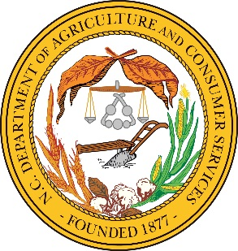
 |  |  | NCDA&CS Seed Test Request Form

 |  |  | NCDA&CS - Plant Industry Division - Seed Lab
 |  |  | Mailing Address: 1060 Mail Service Center, Raleigh, NC 27699-1060
 |  |  | Physical Address(UPS/FedEx): 216 West Jones Street, Raleigh, NC 27603

 | Agriculture Commissioner Steve Troxler

 | Client: |  |  | Send additional copy to:
Company/Contact
Address
City, state, zip
Phone #
(For fast results)Email
 | Test: G - Germination, P - Purity, TZ - Tetrazolium, S - Sand
 | Leave Blank | Lot # | Kind | Variety | Test | New | CarryOver | *Treatment
1
2
3
4
5
6
7
8
9
10
11
12
13
14
15
16
17
18
19
20
21
22
23
24
25
26
27
28
29
30
 | Please note any special concerns or circumstances related to submitted samples.
 | If you are interested in submitting industrial hemp seed for testing, you will use a different form and procedure.

