Overview
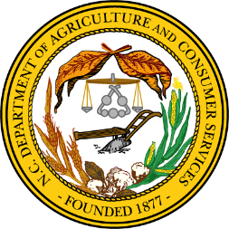
 | North Carolina Champion Tree List
 | Last updated January 2026
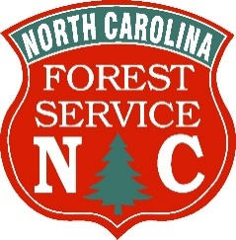 | The N.C. Forest Service Urban and Community Forestry program manages this program. The program is undergoing a comprehensive review including program and tree eligibility policies, an inspection of each Champion tree and the development of a new online platform. This N.C. Champion Tree list is the list of the current champions as of the date noted above. Specific location information for each tree is not listed due to landowner privacy concerns. Please contact Community Forestry Coordinator Sarah Hollis using the Contact Us link below for tree location information or answers to your questions.
 | How does a tree become a Champion Tree? Any tree that meets the eligibility criteria has the potential to become a Champion. To achieve that, a candidate must be found, scored, nominated and verified by N.C. Forest Service staff. Finally, the tree must have the highest point score among its nominated peers to become the Champion. If multiple trees have scores within 10 points of one another, they become co-champions.

 | Current Eligibility Criteria: Any North American native tree or introduced tree that is not an invasive species.

 | Program Links:
 | N.C. Champion Tree Webpage
 | N.C. Champion Tree Nomination Form
 | How to Measure a Champion Tree
 | Contact Us

 | Click the green NC Champion Tree List tab below to view the NC Champion Tree List.

