NC Tree List Info
North Carolina Urban Tree List
As of April, 2025
This is a "standard", not comprehensive, list of trees suitable for planting in urban areas. The lists can be filtered by Region (Coastal, Piedmont, Mountain) and sorted based on any of the attributes in the top row by going to Data-Filter and selecting criteria from the drop down tabs that appear for each attribute.

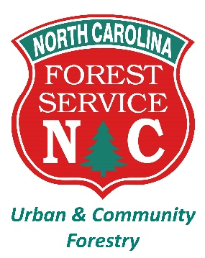 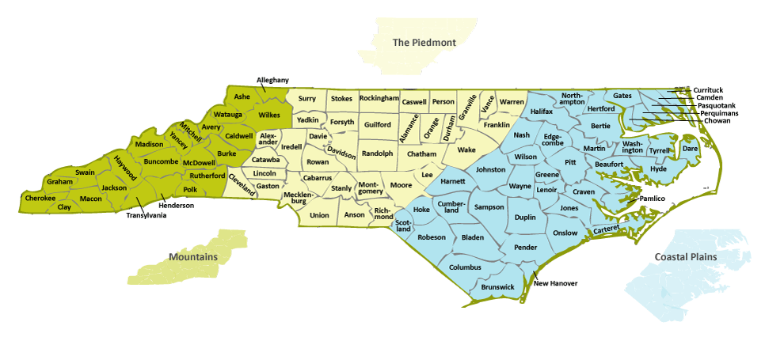
This list was created by the Green Infrastructure Center in partnership with the Urban and Community Forestry Program of the North Carolina Forest Service. The information presented in this list has been reviewed by arborists, foresters, and landscape professionals in NC and draws from these references:
1. Manual of Woody Landscape Plants, Michael Dirr
2. The University of Florida Environmental Horticulture Tree Fact Sheets: https://hort.ifas.ufl.edu/database/trees/trees_scientific.shtml#J
3. NC State Extension Plant Toolbox: https://plants.ces.ncsu.edu/find_a_plant/

