Cover Page
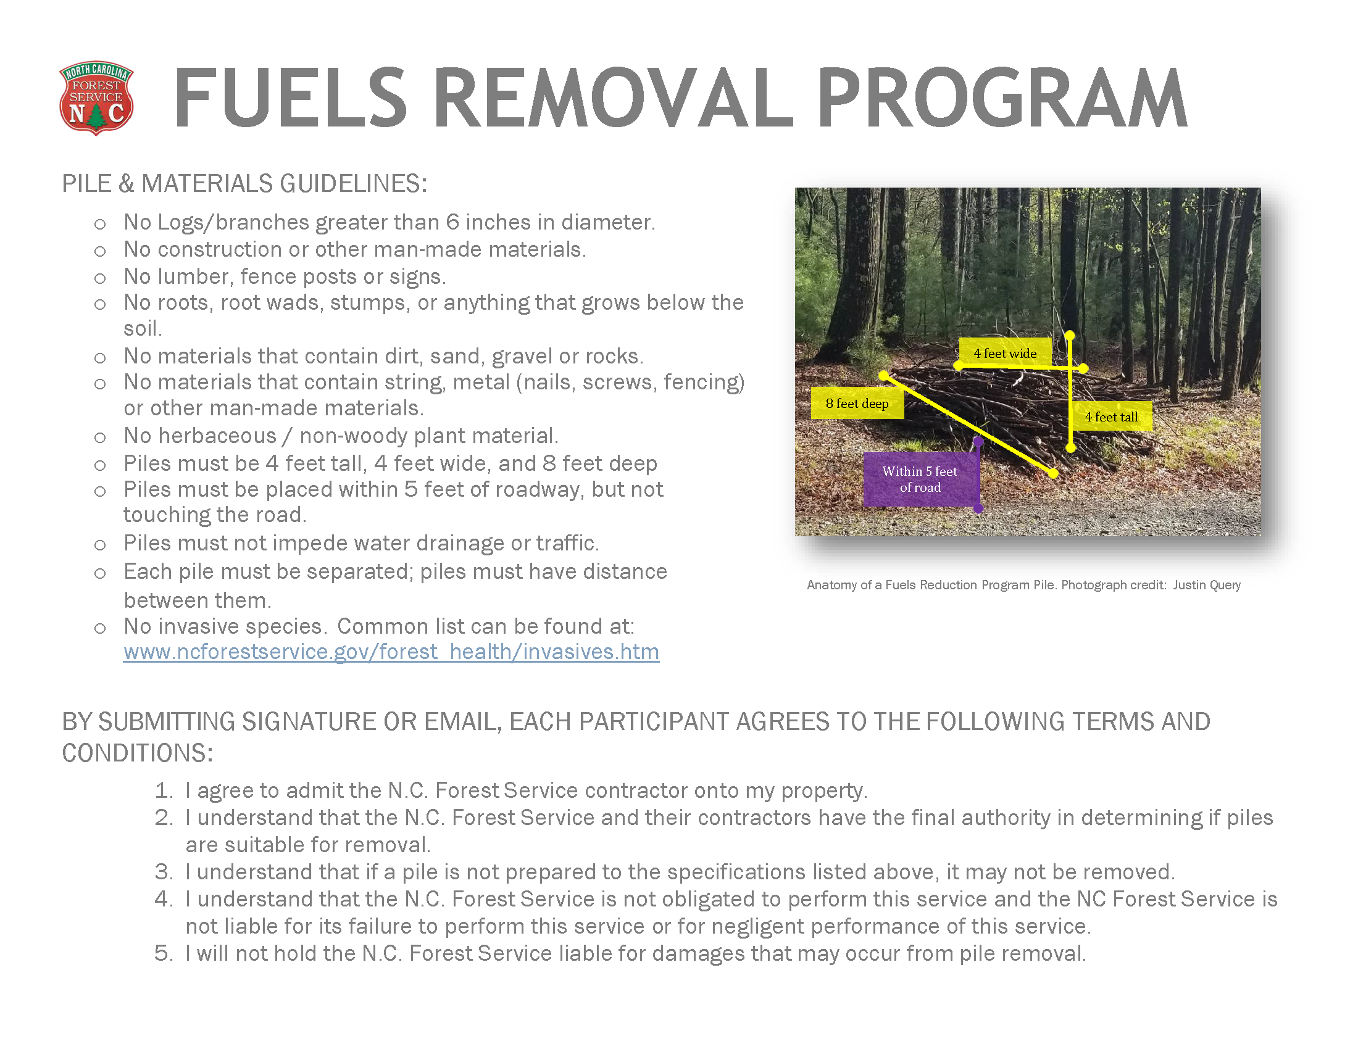
 | Review the information on this tab completely, scroll down and look for the red cell for further instructions.

Click the Participant Log tab below.

